Login


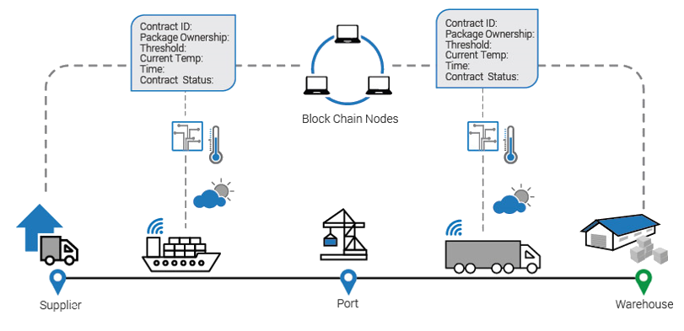

Container

Monitoring System

Global Connect is a descentralized, encrypted tracking app, built on Blockstack (with Blockchain and Smart Contract)

Log In with Blockstack

Main
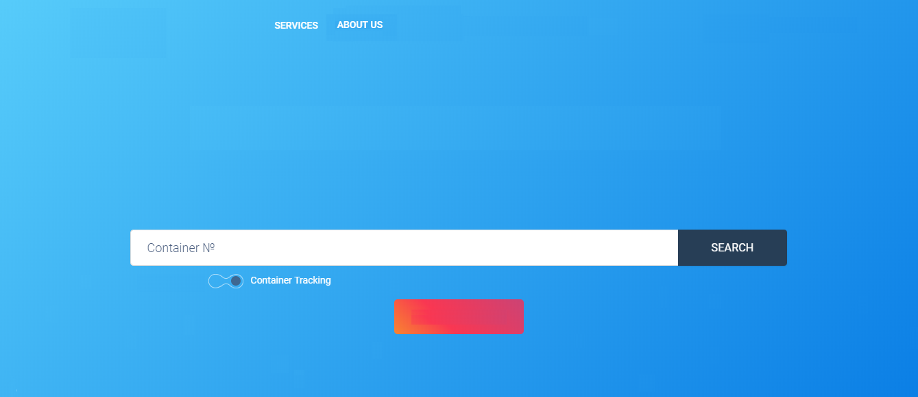
LANGUAGE
proe.id.blockstack
USER
> Container Monitoring System
> Management Smart Contract
> User Configuration

Dynamic monitoring system for multimodal logistics

BL Tracking

Contact Us

Foot
proe.id.blockstack
Paradigma Limitada 2018

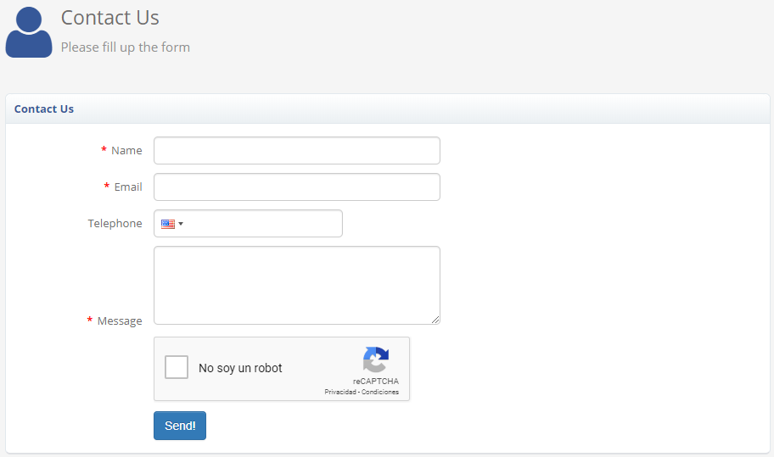
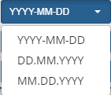

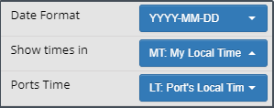
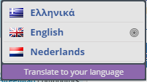

Select Time Zone

